Film Over-view
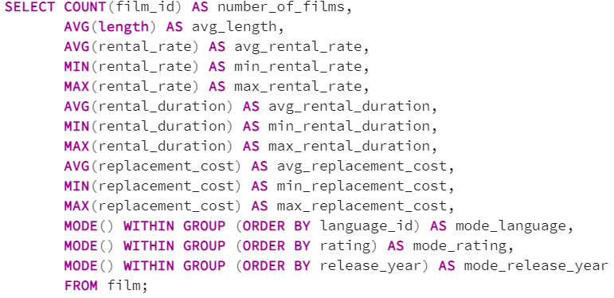
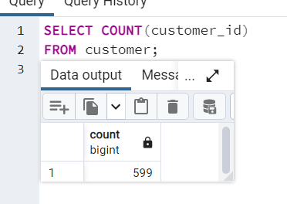
number_of_films | avg_length | avg_rental_rate | min_rental_rate | max_rental_rate | avg_rental_duration | min_rental_duration | max_rental_duration | avg_replacement_cost | min_replacement_cost | max_replacement_cost | mode_language | mode_rating | mode_release_year
1000 | 115.272 | 2.98 | 0.99 | 4.99 | 4.985 | 3 | 7 | 19.984 | 9.99 | 29.99 | 1 | PG-13 | 2006

Rating
rating | count_of_rating
PG-13 | 223
NC-17 | 210
R | 195
PG | 194
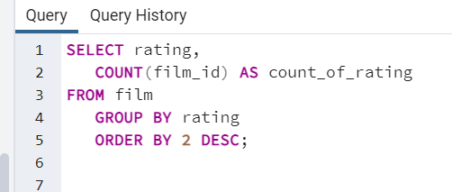
G | 178

customer counts and country
country | customer_count
India | 60
China | 53
United States | 36
Japan | 31
Mexico | 30
Brazil | 28
Russian Federation | 28
Philippines | 20
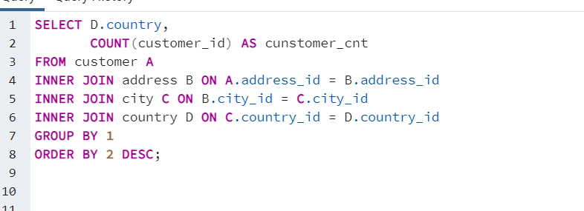
Turkey | 15
Indonesia | 14
Argentina | 13
Nigeria | 13
South Africa | 11
Taiwan | 10
United Kingdom | 9
Poland | 8
Iran | 8
Germany | 7
Italy | 7
Venezuela | 7
Egypt | 6
Colombia | 6
Ukraine | 6
Vietnam | 6
Spain | 5
Canada | 5
South Korea | 5
Pakistan | 5
Netherlands | 5
Saudi Arabia | 5
Israel | 4
France | 4
Yemen | 4
Peru | 4
Dominican Republic | 3
Bangladesh | 3
Thailand | 3
Algeria | 3
Chile | 3
Malaysia | 3
Mozambique | 3
Switzerland | 3
Ecuador | 3
Paraguay | 3
Austria | 3
United Arab Emirates | 3
Morocco | 3
Tanzania | 3
Myanmar | 2
Bulgaria | 2
Cameroon | 2
Cambodia | 2
Congo, The Democratic Republic of the | 2
Sudan | 2
Romania | 2
Latvia | 2
Yugoslavia | 2
Puerto Rico | 2
Kazakstan | 2
Greece | 2
Bolivia | 2
Kenya | 2
French Polynesia | 2
Angola | 2
Belarus | 2
Oman | 2
Azerbaijan | 2
Hungary | 1
American Samoa | 1
Armenia | 1
Sri Lanka | 1
French Guiana | 1
Sweden | 1
Faroe Islands | 1
Ethiopia | 1
Bahrain | 1
Czech Republic | 1
Lithuania | 1
Turkmenistan | 1
Tunisia | 1
Virgin Islands, U.S. | 1
Malawi | 1
Chad | 1
Afghanistan | 1
Greenland | 1
Moldova | 1
Gambia | 1
Holy See (Vatican City State) | 1
Estonia | 1
Slovakia | 1
North Korea | 1
Nauru | 1
Liechtenstein | 1
Senegal | 1
Zambia | 1
Hong Kong | 1
Kuwait | 1
Madagascar | 1
Runion | 1
Saint Vincent and the Grenadines | 1
Tuvalu | 1
Finland | 1
Iraq | 1
Anguilla | 1
Brunei | 1
Tonga | 1
Nepal | 1
New Zealand | 1
 | 599

genre_average_rental_duration
genre | avg_days_rented
Thriller | 6
Travel | 5.4
Family | 5.2
Music | 5.2
Classics | 5.1
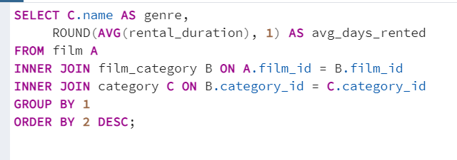
Foreign | 5.1
Drama | 5.1
Games | 5.1
Children | 5
Action | 5
Sci-Fi | 4.9
Comedy | 4.9
Horror | 4.9
Animation | 4.9
Documentary | 4.8
New | 4.7
Sports | 4.7

Revenue_Across_Regions
country | revenue_across_country
India | $6,035
China | $5,251
United States | $3,685
Japan | $3,123
Mexico | $2,985
Brazil | $2,919
Russian Federation | $2,766
Philippines | $2,220
Turkey | $1,498
Indonesia | $1,353
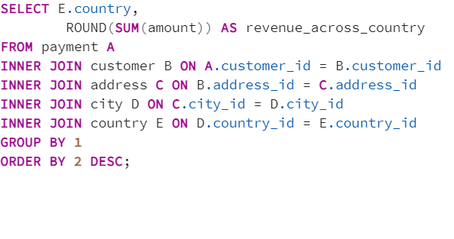
Nigeria | $1,315
Argentina | $1,299
Taiwan | $1,155
South Africa | $1,069
Iran | $878
United Kingdom | $851
Poland | $786
Italy | $753
Germany | $741
Ukraine | $676
Vietnam | $676
Colombia | $662
Egypt | $659
Venezuela | $632
Canada | $560
Netherlands | $558
South Korea | $528
Spain | $514
Yemen | $474
Pakistan | $474
Saudi Arabia | $453
Peru | $407
Thailand | $401
Israel | $379
Ecuador | $369
Bangladesh | $353
Algeria | $349
France | $334
Malaysia | $330
Tanzania | $322
Mozambique | $315
United Arab Emirates | $305
Dominican Republic | $304
Chile | $303
Austria | $284
Morocco | $274
Paraguay | $273
Belarus | $271
Latvia | $249
Switzerland | $248
Kenya | $245
Yugoslavia | $233
Puerto Rico | $224
Romania | $218
Runion | $212
French Polynesia | $206
Greece | $205
Sudan | $203
Azerbaijan | $199
Bulgaria | $195
Kazakstan | $193
Angola | $188
Cameroon | $186
Myanmar | $180
Cambodia | $180
Bolivia | $179
Congo, The Democratic Republic of the | $169
Oman | $162
Holy See (Vatican City State) | $147
Nauru | $144
Sweden | $140
Czech Republic | $133
Moldova | $128
Turkmenistan | $127
Chad | $123
Zambia | $122
Virgin Islands, U.S. | $122
Malawi | $122
Greenland | $120
Armenia | $119
Gambia | $115
Hungary | $112
Iraq | $112
Bahrain | $109
North Korea | $108
Brunei | $108
Kuwait | $107
Estonia | $106
Hong Kong | $105
Sri Lanka | $104
Anguilla | $100
Liechtenstein | $100
French Guiana | $98
Faroe Islands | $97
Senegal | $96
Nepal | $94
Tuvalu | $94
Madagascar | $93
Ethiopia | $92
New Zealand | $86
Slovakia | $81
Finland | $79
Tunisia | $74
Afghanistan | $68
Tonga | $65
Saint Vincent and the Grenadines | $65
Lithuania | $64
American Samoa | $48

top_5_films
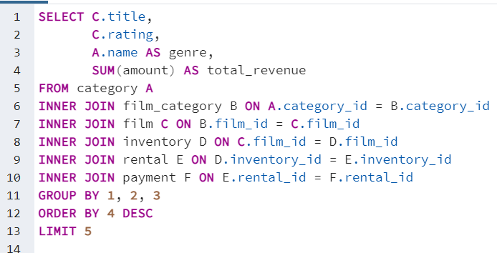
title | rating | genre | total_revenue
Telegraph Voyage | PG | Music | $215.75
Zorro Ark | NC-17 | Comedy | $199.72
Wife Turn | NC-17 | Documentary | $198.73
Innocent Usual | PG-13 | Foreign | $191.74
Hustler Party | NC-17 | Comedy | $190.78

bottom_5_film
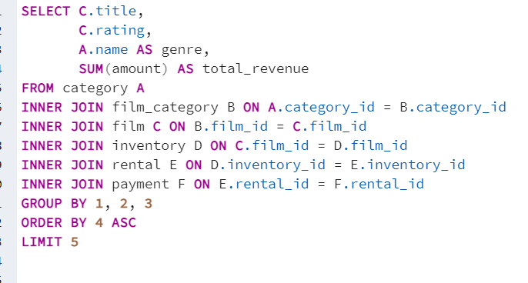
title | rating | genre | total_revenue
Texas Watch | NC-17 | Horror | $5.94
Oklahoma Jumanji | PG | New | $5.94
Duffel Apocalypse | G | Documentary | $5.94
Freedom Cleopatra | PG-13 | Comedy | $5.95
Rebel Airport | G | Music | $6.93

revenue by genre
genre | number_of_films | total_revenue
Sports | 1081 | $4,892.19
Animation | 1065 | $4,245.31
Action | 1013 | $3,951.84
Sci-Fi | 998 | $4,336.01
Family | 977 | $3,782.26
Drama | 953 | $4,118.46
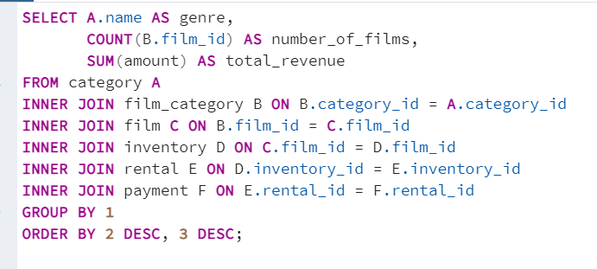
Foreign | 953 | $3,934.47
Documentary | 937 | $3,749.65
Games | 884 | $3,922.18
New | 864 | $3,966.38
Children | 861 | $3,309.39
Classics | 860 | $3,353.38
Comedy | 851 | $4,002.48
Horror | 773 | $3,401.27
Travel | 765 | $3,227.36
Music | 750 | $3,071.52
Thriller | 11 | $47.89

top customers
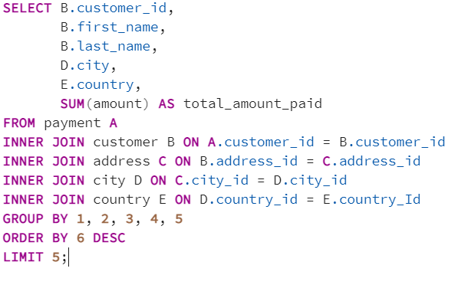
customer_id | first_name | last_name | city | country | total_amount_paid
148 | Eleanor | Hunt | Saint-Denis | Runion | $211.55
526 | Karl | Seal | Cape Coral | United States | $208.58
178 | Marion | Snyder | Santa Brbara dOeste | Brazil | $194.61
137 | Rhonda | Kennedy | Apeldoorn | Netherlands | $191.62
144 | Clara | Shaw | Molodetno | Belarus | $189.60

top_10_cities_by_revenue
country | city | customer_cnt
United Kingdom | London | 2
United States | Aurora | 2
Spain | Santiago de Compostela | 1
Japan | Iwaki | 1
China | Shanwei | 1
Morocco | Nador | 1
China | Tianjin | 1
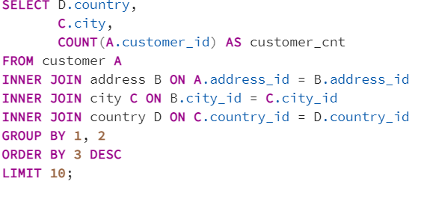
Angola | Benguela | 1
South Africa | Rustenburg | 1
South Africa | Newcastle | 1

